Sheet1
BUG REPORT


Project Name | Kazam EV Charging
App version | 5.20.4
Tested By | Shivendra Singh
Reviewed By | Self-Reviewed
Start Date | 21/01/2025
End Date | 24/01/2025
Device | Android
Assigned To | Shivendra Singh
Proiority | High, Medium, Low
Status | Open

Bug ID | Test Case ID | Feature | Bug Description | Severity | Priority | Status | Environment (Device/OS) | Preconditions | Steps to Reproduce | Expected Result | Actual Result | Test Data | Reported By | Attachments
BG_001 | TC_001 | Scan QR | The app is closing after scanning the any QR code | High | High | Fail | Samsung Galaxy M14 / Android | User is on the Home Page | 1. Download and Install the app. 2. Visit home page of the website after login. 3. Click on the "Scan QR" menu. 4. Scan Q R Code | Scan QR code and find device | When scan the a QR code in the App, it automatically closes and shows a bug message |  | Shivendra Singh | 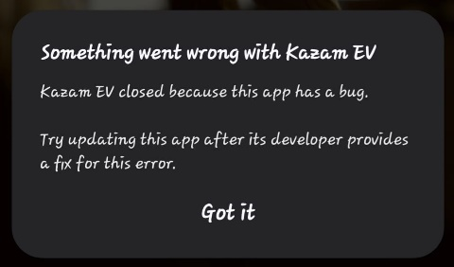
BG_002 | TC_002 | Profile | The app allow Invalid Tax Details | High | High | Fail | Samsung Galaxy M14 / Android | User is on the Profile details page | 1. Download and Install the app. 2. Visit home page of the website after login. 3. Click on the "Profile" menu and open 'Profile details' option. 4. Click "Add Tax Details" and enter details | The app should not allow entering invalid details | App Allow the Invalid Details | %%%%%%%%%%%%%%%% | Shivendra Singh | 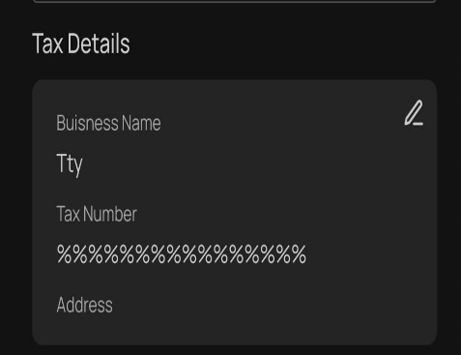
BG_003 | TC_003 | Profile | The app allow Invalid names | High | High | Fail | Samsung Galaxy M14 / Android | User is on the Profile details page | 1. Download and Install the app. 2. Visit home page of the website after login. 3. Click on the "Wallet" menu and open 'Complete Minium KYC' option. 4. enter details & click 'Save' | The app should not allow entering invalid details (Email, name and mobie number) | App Allow the Invalid Tax Details | Mobile no- 9621318299 Name- ????? Email- singhraj760778@@@@@gmail.co | Shivendra Singh | 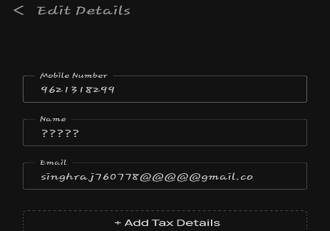
BG_004 | TC_004 | Profile | In the KYC Verification Form The DOB input field Does not allow input according to DD/MM/YY format | High | High | Fail | Samsung Galaxy M14 / Android | User is on the Wallet Complete Minium KYC page | 1. Download and Install the app. 2. Visit home page of the website after login. 3. Click on the "Profile" menu and open 'Profile details' option. 4. enter details & click 'Save' | The app should allow entering valid DOB format and number (DD/MM/YYYY) | The app should not allow entering valid DOB format and number (DD/MM/YYYY) | Name- Shivendra Singh Email- singhraj760778@@@@@gmail.c DOB- 12/2 | Shivendra Singh | 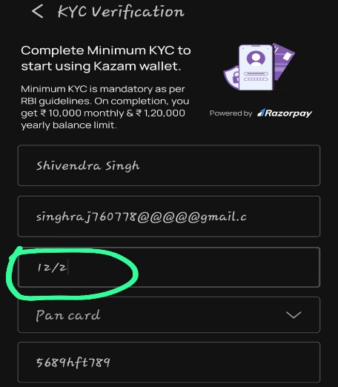
BG_005 | TC_005 | Login | On clicking Continue with Google, the application gets directly logged in | High | High | Fail | Samsung Galaxy M14 / Android | User is on the Login Page | 1. Download and Install the app. 2. open app and visit login page. 3. Click on the "Continue with Google" . | On clicking continue with google the app should not login directly, it should show the option to choose login email in Google itself | The App is login Directly | Continue With Google | Shivendra Singh | 